semanticEmbed-similarityConcate
1 | 2 | 3 | 4 | 5 | 6 | 7 | 8 | 9 | 10 | 11 | 12 | 13 | 14 | 15 | 16 | 17 | 18 | 19 | 20
because | meanwhile | except | either or | or | meanwhile | except | unless | for example | while | or | after | hence | although | however | when | moreover | unless | much as | except
 | in short | but | and | either or | in short | but | if then | for instance |  | and | afterward | thus | though |  |  | also | if then | as if | but
 | lest |  | nor | and | similarly | yet | if | in particular |  |  | before | consequently | as though |  |  | in addition | as if | as long as
 | later |  | or |  | rather |  | when and if | specifically |  |  | previously | therefore |  |  |  | plus | if | as a result
 | accordingly |  | And |  | in other words |  | if and when |  |  |  | thereafter | thereby |  |  |  | besides | if and when | as
 | once |  |  |  | thereafter |  |  |  |  |  | later | so |  |  |  | alternatively |  | as soon as
 | yet |  |  |  | as an alternative |  |  |  |  |  | before and after | so that |  |  |  | additionally
 | further |  |  |  | accordingly |  |  |  |  |  | next
 | in turn |  |  |  | neither nor |  |  |  |  |  | earlier
 | in fact |  |  |  | once
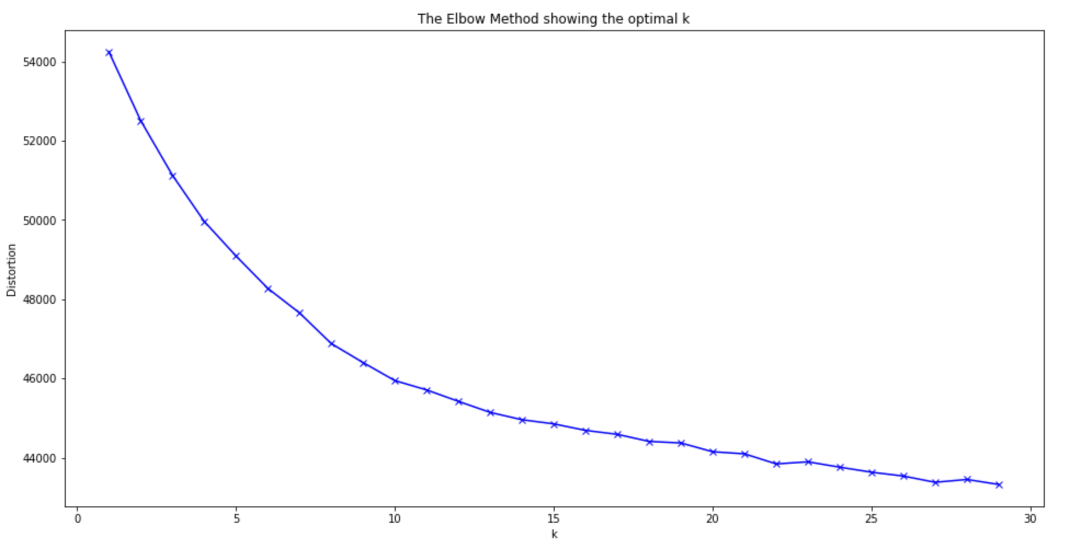
 | then |  |  |  | yet
 | instead |  |  |  | further
 | now that |  |  |  | by comparison
 | in the end |  |  |  | in contrast
 | next |  |  |  | simultaneously
 | finally |  |  |  | in turn
 | nor |  |  |  | in fact
 | besides |  |  |  | then
 | otherwise |  |  |  | likewise
 | indeed |  |  |  | nonetheless
 | still |  |  |  | instead
 | meantime |  |  |  | now that
 | until |  |  |  | whereas
 | by then |  |  |  | furthermore
 | as well |  |  |  | in the end
 | since |  |  |  | separately
 | for |  |  |  | finally
 | till |  |  |  | nor
 | as long as |  |  |  | in sum
 | ultimately |  |  |  | alternatively
 | as soon as |  |  |  | otherwise
 |  |  |  |  | indeed
 |  |  |  |  | overall
 |  |  |  |  | regardless
 |  |  |  |  | previously
 |  |  |  |  | still
 |  |  |  |  | meantime
 |  |  |  |  | else
 |  |  |  |  | conversely
 |  |  |  |  | by contrast
 |  |  |  |  | on the one hand on the other hand
 |  |  |  |  | nevertheless
 |  |  |  |  | on the other hand
 |  |  |  |  | either or
 |  |  |  |  | as well
 |  |  |  |  | since
 |  |  |  |  | for
 |  |  |  |  | on the contrary
 |  |  |  |  | as long as
 |  |  |  |  | as a result
 |  |  |  |  | ultimately
 |  |  |  |  | insofar as
 |  |  |  |  | consequently

DBSCAN_semanticEmbed-similarity
1(outlier) | 2 | 3 | 4 | 5 | 6 | 7 | 8 | 9 | 10 | 11 | 12 | 13 | 14 | 15
in turn | rather | also | before and after | for instance | till | if | when | later | while | after | as | while | after | later
but | alternatively | but | after | because | until | unless |  | next | because | and | as though | meanwhile | since | however
unless | whereas | because | finally | for example | insofar as | if then |  | afterward | simultaneously | afterward | as long as |  | still | earlier
as a result | additionally | however | thereafter | also |  | as though |  | before | however | thereafter | as an alternative |  |  | previously
by comparison | furthermore |  | before |  |  | then |  | accordingly | also | but | as soon as |  |  | also
and | specifically |  |  |  |  | when and if |  | nevertheless |  |  | much as |  |  | but
finally | in other words |  |  |  |  | as if |  | thereby
instead | nonetheless |  |  |  |  | if and when |  | thus
by contrast | plus |  |  |  |  | but |  | now that
separately | though |  |  |  |  |  |  | by then
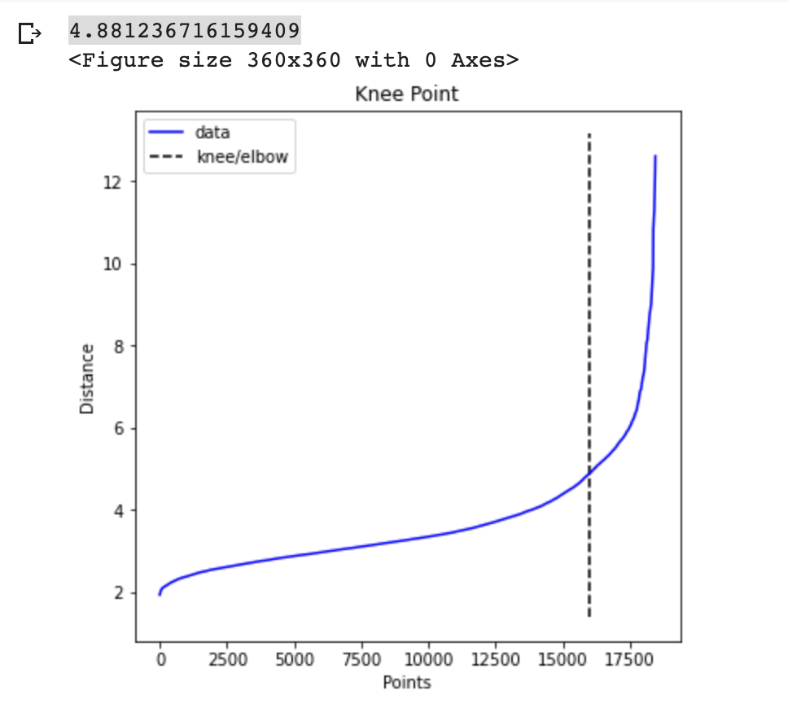
as if | still |  |  |  |  |  |  | although
in contrast | yet |  |  |  |  |  |  | then
also | by comparison |  |  |  |  |  |  | after
further | or |  |  |  |  |  |  | and
by then | as well |  |  |  |  |  |  | finally
once | similarly |  |  |  |  |  |  | instead
 | And |  |  |  |  |  |  | also
 | on the contrary |  |  |  |  |  |  | meantime
 | accordingly |  |  |  |  |  |  | but
 | else
 | in particular
 | likewise
 | nor
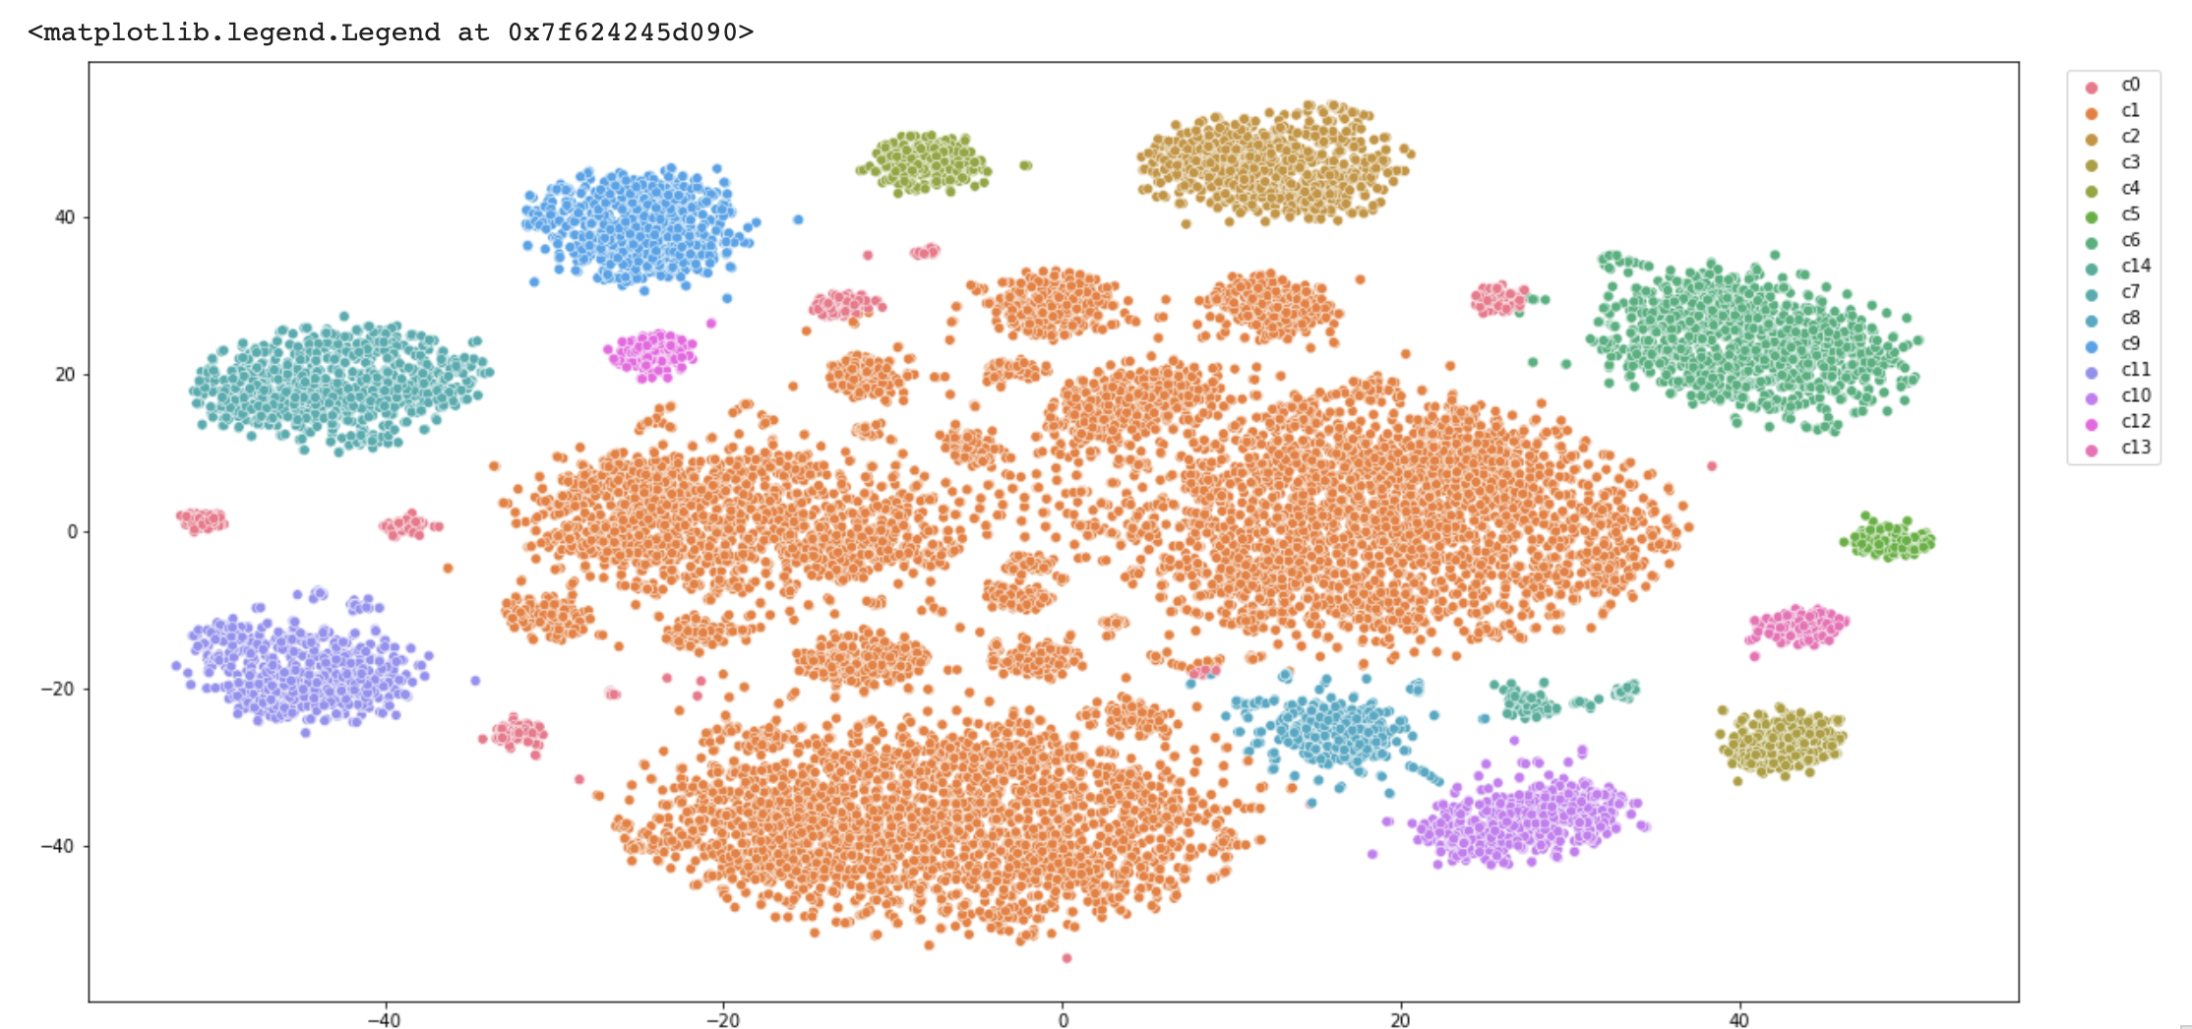
 | otherwise
 | nevertheless
 | consequently
 | therefore
 | thereby
 | on the one hand on the other hand
 | conversely
 | thus
 | besides
 | ultimately
 | however
 | neither nor
 | moreover
 | in sum
 | hence
 | in fact
 | now that
 | by then
 | although
 | for
 | either or
 | lest
 | on the other hand
 | in addition
 | as though
 | then
 | so that
 | in short
 | indeed
 | and
 | so
 | regardless
 | simultaneously
 | finally
 | in the end
 | instead
 | except
 | overall
 | also
 | further
 | meantime
 | but

sentEnbed-similarityConcate-19
1 | 2 | 3 | 4 | 5 | 6 | 7 | 8 | 9 | 10 | 11 | 12 | 13 | 14 | 15 | 16 | 17 | 19 | 19
if then | And | but | in short | as | by then | by then | and | but | because | and | however | before | if then | while | then | by then | thereafter | also
as if | and |  | hence | much as | when | meanwhile |  |  |  |  | neither nor | previously | if |  |  | either or | after | furthermore
if |  |  | in addition |  | when and if | finally |  |  |  |  | yet | earlier |  |  |  | since | afterward | as well
 |  |  | similarly |  | if and when | alternatively |  |  |  |  | nonetheless | before and after |  |  |  | till |  | additionally
 |  |  | rather |  | as soon as | ultimately |  |  |  |  | instead |  |  |  |  | as long as
 |  |  | in other words |  |  | thereafter |  |  |  |  | whereas |  |  |  |  | until
 |  |  | thereafter |  |  | meantime |  |  |  |  | unless |  |  |  |  | once
 |  |  | as an alternative |  |  | instead |  |  |  |  | nor
 |  |  | lest |  |  | later |  |  |  |  | although
 |  |  | accordingly |  |  | in the end |  |  |  |  | alternatively
 |  |  | in contrast |  |  | separately |  |  |  |  | otherwise
 |  |  | by comparison |  |  | next |  |  |  |  | regardless
 |  |  | further |  |  | further |  |  |  |  | else
 |  |  | so |  |  | simultaneously |  |  |  |  | still
 |  |  | so that |  |  |  |  |  |  |  | nevertheless
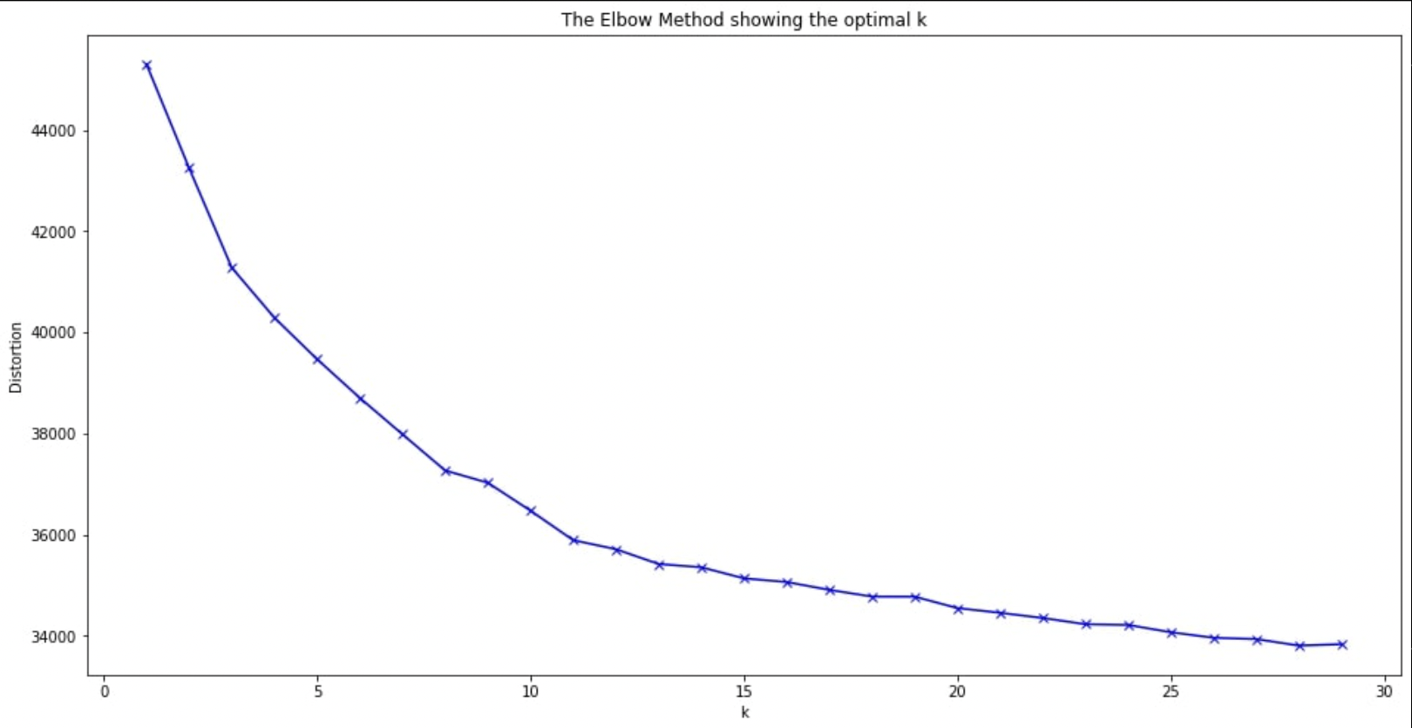
 |  |  | in turn |  |  |  |  |  |  |  | on the other hand
 |  |  | in fact |  |  |  |  |  |  |  | either or
 |  |  | as though |  |  |  |  |  |  |  | except
 |  |  | likewise |  |  |  |  |  |  |  | though
 |  |  | now that |  |  |  |  |  |  |  | or
 |  |  | instead
 |  |  | whereas
 |  |  | furthermore
 |  |  | plus
 |  |  | besides
 |  |  | in sum
 |  |  | thus
 |  |  | indeed
 |  |  | overall
 |  |  | therefore
 |  |  | conversely
 |  |  | thereby
 |  |  | by contrast
 |  |  | on the one hand on the other hand
 |  |  | on the other hand
 |  |  | moreover
 |  |  | much as
 |  |  | for
 |  |  | in particular
 |  |  | on the contrary
 |  |  | as if
 |  |  | as a result
 |  |  | specifically
 |  |  | insofar as
 |  |  | for example
 |  |  | for instance
 |  |  | consequently

sentEmbed-simpleConcate-11
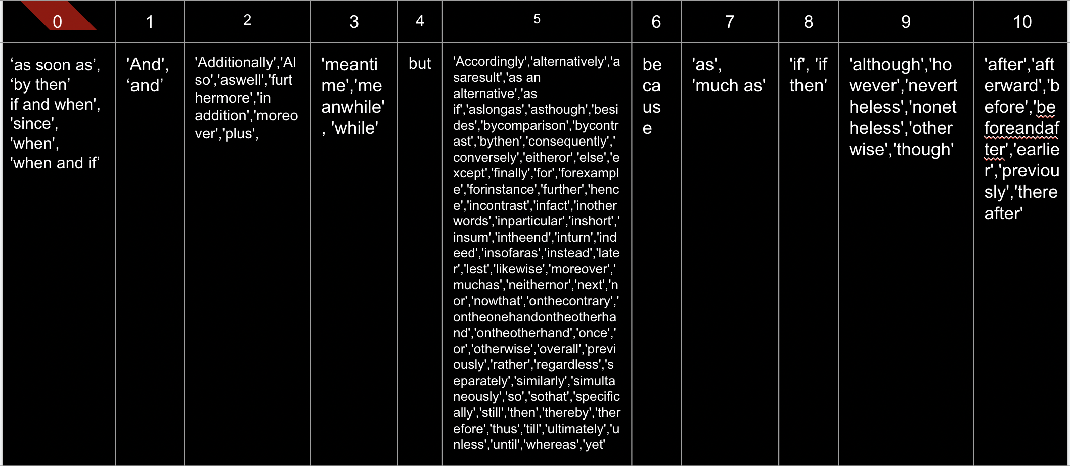

semanticEmbed-simpleDotProduct-
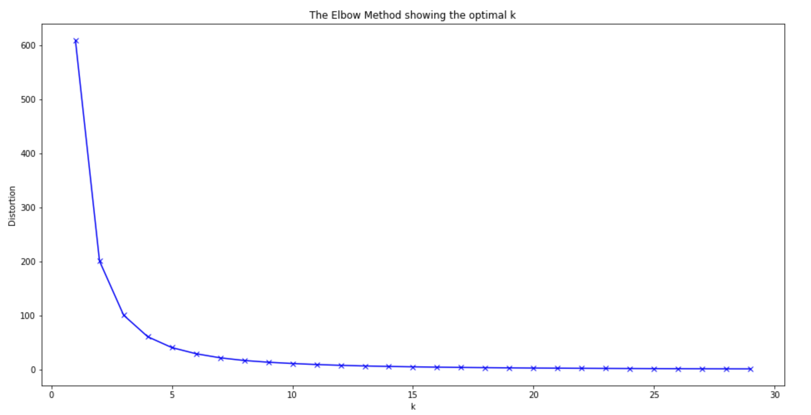
1 | 2 | 3 | 4 | 5
in short | however | also | in short | also
however | rather | meanwhile | however | meanwhile
rather | yet | however | rather | in addition
as an alternative | further | in short | as an alternative | however
yet | after | if and when | yet | if then
further | then | in addition | further | rather
after | likewise | if then | after | in other words
then | afterward | in other words | then | before
likewise | whereas | rather | afterward | thereafter
afterward | furthermore | before | likewise | if
furthermore | and | thereafter | furthermore | later
and | unless | if | whereas | in contrast
unless | thus | later | and | yet
thus | when | lest | unless | so
when | overall | once | plus | further
overall | previously | yet | thus | by comparison
previously | as | so | when | consequently
as | therefore | so that | overall | once
therefore | conversely | in contrast | previously | in turn
thereby | thereby | consequently | as | in fact
nevertheless | nevertheless | in turn | therefore | after
moreover | moreover | in fact | thereby | but
for | for | after | nevertheless | then
in particular | in particular | but | moreover | likewise
or | or | then | for | nonetheless
for example | for example | afterward | in particular | instead
as soon as | as soon as | nonetheless | or | now that
consequently | consequently | instead | for example | furthermore
hence | similarly | now that | as soon as | separately
similarly | if then | in the end | consequently | next
if then | in other words | separately | hence | finally
in other words | if | finally | similarly | and
if | accordingly | and | if then | unless
accordingly | in contrast | unless | in other words | nor
in contrast | in fact | nor | if | while
in fact | nonetheless | while | accordingly | besides
nonetheless | instead | besides | in contrast | although
instead | in the end | although | in fact | alternatively
in the end | separately | thus | nonetheless | when
separately | while | when | instead | indeed
while | in sum | indeed | when and if | otherwise
otherwise | otherwise | otherwise | in the end | thus
indeed | indeed | previously | separately | previously
else | And | still | while | still
much as | much as | as | in sum | as
because | because | therefore | otherwise | therefore
as if | as if | meantime | indeed | overall
as long as | as long as | until | much as | conversely
meanwhile | meanwhile | before and after | because | thereby
lest | neither nor | thereby | as if | by contrast
neither nor | so | by contrast | as long as | nevertheless
so | simultaneously | nevertheless | meanwhile | on the other hand
in turn | in turn | on the other hand | neither nor | moreover
but | but | moreover | so | either or
as though | regardless | by then | simultaneously | because
next | until | either or | in turn | since
alternatively | as well | as well | but | on the contrary
regardless | as a result | because | as though | though
until | ultimately | since | next | as a result
by then | for instance | in particular | until | specifically
as well | also | except | by then | ultimately
as a result | in addition | much as | as well | or
ultimately | before | though | as a result | additionally
for instance | thereafter | till | ultimately | for example
if and when | later | as long as | for instance | for instance
also | once | as a result | also | earlier
in addition | by comparison | as if | in addition
before | so that | or | before
thereafter | now that | for example | thereafter
later | finally | for instance | later
once | nor | as soon as | once
by comparison | besides | earlier | by comparison
so that | although |  | so that
now that | still |  | now that
finally | meantime |  | finally
nor | by contrast |  | nor
besides | on the other hand |  | besides
although | since |  | although
still | except |  | still
meantime | on the contrary |  | meantime
by contrast | though |  | by contrast
on the other hand | specifically |  | on the one hand on the other hand
since | earlier |  | on the other hand
except |  |  | either or
on the contrary |  |  | since
though |  |  | except
additionally |  |  | though
insofar as |  |  | till
earlier |  |  | specifically
 |  |  | additionally

